Form A1
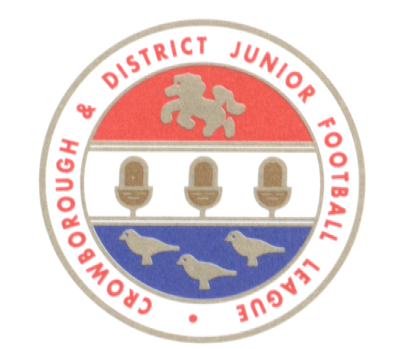
CROWBOROUGH & DISTRICT JUNIOR FOOTBALL LEAGUE
APPLICATION FORM A1 FOR SEASON 2019/20 (07/09/19 - 03/05/20)

ALL SECTIONS MUST BE COMPLETED IN FULL USING EXCEL (Proper Case - Upper & Lower Characters)
Failure to do so may result in non-acceptance
ONE FORM IS REQUIRED PER CLUB - to be e-mailed to will.cdjfl@gmail.com by 31 May 2019
FORMS RECEIVED AFTER THIS DATE, OR MANUALLY COMPLETED FORMS, WILL BE REJECTED

NAME OF CLUB |  |  |  |  |  |  |  | F.C.

 |  |  | AS AFFILIATED TO |  | County Football Association

CLUB SECRETARY

ADDRESS

 | TELEPHONE |  |  | MOBILE |  | E-MAIL
DO NOT ENTER SPACES IN TELEPHONE NUMBERS - NUMBERS WILL AUTO FORMAT

CLUB CHAIRMAN

 | TELEPHONE |  |  | MOBILE |  | E-MAIL
DO NOT ENTER SPACES IN TELEPHONE NUMBERS - NUMBERS WILL AUTO FORMAT

CHILD PROTECTION

 | TELEPHONE |  |  | MOBILE |  | E-MAIL
DO NOT ENTER SPACES IN TELEPHONE NUMBERS - NUMBERS WILL AUTO FORMAT

TREASURER

 | TELEPHONE |  |  | MOBILE |  | E-MAIL
DO NOT ENTER SPACES IN TELEPHONE NUMBERS - NUMBERS WILL AUTO FORMAT

PITCH CO-ORDINATOR

 | TELEPHONE |  |  | MOBILE |  | E-MAIL
DO NOT ENTER SPACES IN TELEPHONE NUMBERS - NUMBERS WILL AUTO FORMAT

Pitch arrangements: |  | How many pitches available to club |  |  |  |  |  | Are there any restrictions on pitch use

 | AGE GROUP |  | Number of club entries |  |  | AGE GROUP | Number of club entries

U7 (5x5) (Saturdays) |  |  |  |  | U11 (9x9) (Saturdays)

U8 (5x5) (Saturdays) |  |  |  |  | U12 (9x9) (Sundays)

U9 (7x7) (Saturdays) |  |  |  |  | U13 (Sundays)

U10 (7x7) (Saturdays) |  |  |  |  | U14 (Sundays)

U11 (7x7) (Saturdays) |  |  |  |  | U15 (Sundays)

 |  |  |  |  | U16 (Sundays)

 |  |  |  |  | U18 (Sundays)

ENTRY DEPOSIT OF £5.00 PER TEAM REQUIRED (to be returned in the case of non-election) to be paid direct to the League's Bank Account
Sort code: 55-70-13 A/c no: 78026636 or by cheque to the League's Treasurer: John Elliott, 4 Sandrock Road, Tunbridge Wells, Kent TN2 3PR.

CODE OF CONDUCT - in accordance with League Rules all Clubs are required to complete just one of the following selections:
SELECT EITHER SUBMISSION A - ACCEPTANCE OF THE LEAGUE CODE OF CONDUCT:
We fully understand and accept the terms laid down within the Crowborough & District Junior Football League's Code of Conduct, County Standard Code of Rules and Management Committee Policies/Procedures and hereby confirm that all members will abide by these terms throughout the coming season.

Please tick box to accept the League's Code of Conduct

OR SELECT SUBMISSION B - SUBMISSION OF CLUB'S OWN CODE OF CONDUCT:
We will provide the League with a copy of our Club's own Code of Conduct which has been adopted by all members of our Club for the forthcoming 2018/19 season. We accept that the League reserves the right to request any change or addition that is felt necessary.

Please tick box if you are providing your own Code of Conduct |  |  |  |  |  | Club Codes of Conduct must be sent to the League Secretary

DECLARATION: We have been provided with a copy of Rules and Regulations of the Crowborough & District Junior Football League and do hereby agree for and on behalf of the said Club, if elected, or accepted into membership, to conform to those Rules and Regulations and to accept, abide by and implement the decisions of the Management Committee of the Competition, subject to the right of appeal in accordance with Rule 7.

