Form A2
CROWBOROUGH & DISTRICT JUNIOR FOOTBALL LEAGUE
APPLICATION FORM A2 FOR SEASON 2021/22 (04/09/21 - 01/05/22)
MINI U7 - U8 (5 x 5) U9 - U10 (7 x 7) : JUNIOR U11 - U13 (9 x 9) U13 - U18 (11-A-SIDE)
 |  | GIRLS MINI U8 - U9 (5 x 5); U10 - U11 (7 x 7). GIRLS JUNIOR U12 - U13 (9 x 9)
ALL SECTIONS MUST BE COMPLETED IN FULL USING EXCEL (Proper Case - Upper & Lower Characters)
Failure to do so may result in non-acceptance
COMPLETED FORMS to be e-mailed to will.cdjfl@gmail.com by 31st MAY 2021
FORMS RECEIVED AFTER THIS DATE, OR MANUALLY COMPLETED, WILL BE REJECTED
PLEASE COMPLETE A SEPERATE FORM FOR EACH TEAM ENTERED (or just one form for two paired boys or two paired girls mini teams)

NAME OF CLUB |  |  |  |  |  |  |  |  | F.C.

 | MINI AGE GROUPS: U7 / U8 (5x5) U9 / U10 (7x7) |  |  |  |  |  | Are these paired teams?

 | JUNIOR AGE GROUPS: U11 / U12 / U13 (9x9) - U13 / U14 / U15 / U16 / U18 (11-a-side)

 | GIRLS MINI AGE GROUPS: U8 / U9 (5x5) - U10 / U11 (7x7) |  |  |  |  |  | Are these paired teams?

 | GIRLS JUNIOR GROUPS: U12 / U13 (9x9)
 | NOTE : Mini, U11 and Girls play on Saturdays. All other age groups play on Sundays

TEAM NAME/MINI PAIRED NAMES |  |  |  | IF DIFFERENT FROM CLUB NAME

 | HOME COLOURS |  |  | Shirts |  |  | Shorts

 | CHANGE COLOURS |  |  | Shirts |  |  | Shorts

IS THIS AN EXISTING TEAM FROM THE 2020/2021 SEASON? |  |  |  |  |  | IF YES, DO YOU EXPECT ANY CHANGE TO THEIR STRENGTH?

PRIMARY CONTACT

TELEPHONE |  |  | MOBILE |  | E-MAIL |  |  | PERMISSION TO
DO NOT ENTER SPACES IN TELEPHONE NUMBERS - NUMBERS WILL AUTO FORMAT |  |  |  |  |  |  |  | PUBLISH ONLINE

SECONDARY CONTACT
OPTIONAL
TELEPHONE |  |  | MOBILE |  | E-MAIL |  |  | PERMISSION TO
DO NOT ENTER SPACES IN TELEPHONE NUMBERS - NUMBERS WILL AUTO FORMAT |  |  |  |  |  |  |  | PUBLISH ONLINE

HOME GROUND

ADDRESS

 | Entered in County Cup Competition? YES / NO |  |  |  |  | Does team share the pitch? YES / NO

 |  | Please e-mail Fixtures Secretary cdjfl.infoshare@yahoo.co.uk with details of teams sharing pitches and
 |  | dates of non-availabily of pitches between 04/09/21 and 01/05/22 before 1st July 2021, or at the earliest opportunity

 |  |  |  |  |  |  |  | 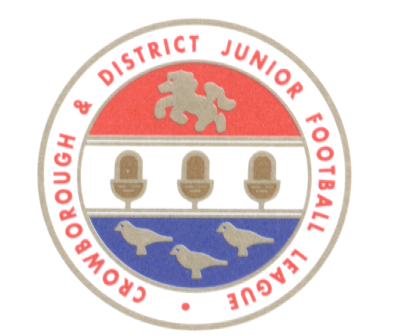
SEASON DATES
Division listings issued by 1 August 2021. First fixtures to be published by the 15 August 2021.
Season starts on Saturday 4 September 2021. Season ends on Sunday 1 May 2022.
The season dates above allow for 32 Saturday and 32 Sunday fixtures.
Player registrations for the first weekend to be submitted via FA Whole Game System on or before Wednesday 18 August 2021.
Registrations submitted after this time may be processed for the first weekend only at the discretion of the Management Committee.
NB. Fines will be raised for insufficient registrations, if a minimum of (SEVEN) is not received by 18 August 2021.
No fixtures will be assigned for the following dates:- 18/19 December 2021, 25/26 December 2021 and Easter week-end, 16/17 April 2022.
PLEASE NOTE: THE CUP FINALS MAY FALL WITHIN THE EASTER SCHOOL HOLIDAYS

DECLARATION

We fully understand and accept the terms laid down within the Crowborough & District Junior Football League Code of Conduct, County Standard Code of Rules and Management Committee Policies/Procedures and hereby confirm that all members will abide by these terms throughout the coming season.
 | NAME OF CLUB SECRETARY MAKING THIS DECLARATION

