Form A1
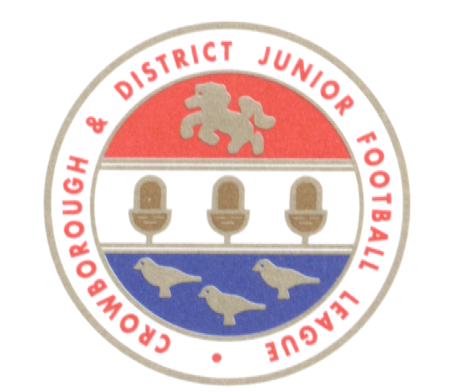
 | CROWBOROUGH & DISTRICT JUNIOR FOOTBALL LEAGUE
 | www.cdjfl.co.uk

 | NEW TEAM QUESTIONNAIRE

 | PLEASE COMPLETE (USING EXCEL)

 | NAME OF CLUB |  |  |  | FC

 | AS AFFILIATED TO | (select) |  | County Football Association

 | AGE GROUP 2022/23 | (select)

 | Previous League

 | Age group 2021/22 | (select)

 | Division

 | League position 2021/22

 | How many players anticipated
 |  |  | Note: CDJFL require a minimum of 13 and a maximum of 20 for 11-a-side squads

 | If new team where are players being
 | drawn from - (eg club or school team)

 | Details of any players at
 | representative level

 | Details of all cautions or dismissals
 | during 2021/22 season
 |  |  | Note: This information will be checked against information received from the relevant County Football Association

 | Any other comments

 | NAME OF PERSON COMPLETING FORM

 | ROLE AT CLUB

 | CONTACT EMAIL ADDRESS

 | CONTACT TELEPHONE NUMBER
 | (in case of any queries arising from the League)

 | If you have any questions please do not hesitate to contact the League Secretary: Trevor Brand (Tel: 07890 873173)

Please return completed questionnaire as soon as possible but no later than 31 May 2022 to:

 | trevordbrand@aol.com

