Form A1
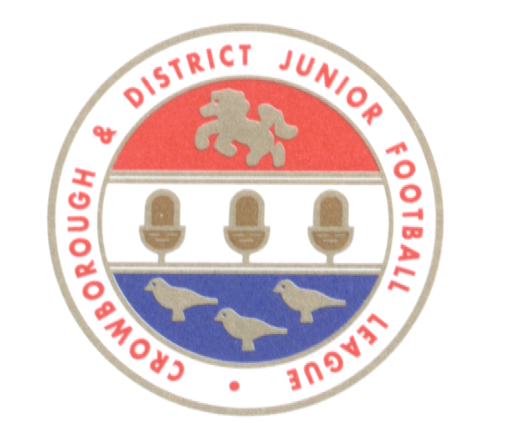
 | CROWBOROUGH & DISTRICT JUNIOR FOOTBALL LEAGUE
 | www.cdjfl.co.uk

 | NEW TEAM QUESTIONNAIRE
 | to be completed for teams entering U12 and above only
 | PLEASE COMPLETE (USING EXCEL)

 | NAME OF CLUB |  |  |  | FC

 | AS AFFILIATED TO | (select) |  | County Football Association

 | NAME OF TEAM 2023/24

 | AGE GROUP TO BE ENTERED FOR 2023/24 | (select)

 | League team played in 2022/23

 | Team name 2022/23

 | Age group 2022/23 | (select)

 | Division 2022/23

 | League position 2022/23

 | How many players anticipated
 |  |  | Note: CDJFL require a minimum of 11 and a maximum of 22 (25 for U18) to be registered for 11-a-side squads

 | If new team where are players being drawn from? (eg club or school team)

 | Details of any players at representative level

 | Details of all player and team official dismissals and bans during 2022/23 season

 |  |  | Note: This information will be checked against information received from the relevant County Football Association

 | Any other comments

 | NAME OF PERSON COMPLETING FORM

 | ROLE AT CLUB

 | CONTACT EMAIL ADDRESS

 | CONTACT TELEPHONE NUMBER
 | (in case of any queries arising from the League)

 | If you have any questions please do not hesitate to contact the League Affilioation Officer, Will Jeffries - will.cdjfl@gmail.com

Please return completed questionnaire along with a form A2 for the team (plus a form A1 if the club is new to the League) by 31 May 2023 to: will.cdjfl@gmail.com

